F1
Contents
 | Figure 1: The percentage of people older than 65 who self-report needing help with activities of daily living (ADLs) by age group, 2018

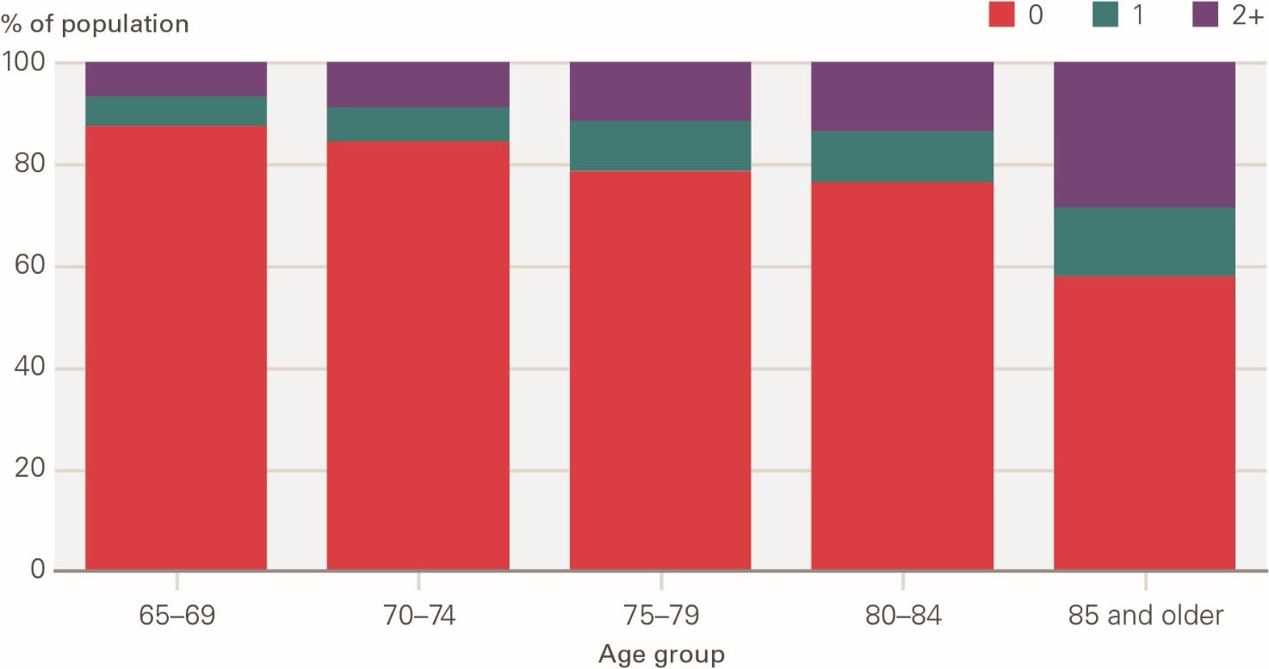

 | Source: ELSA 2018

 |  | 0 | 1 | 2+
 | 65-69 | 87.40% | 5.84% | 6.76%
 | 70-74 | 84.45% | 6.82% | 8.73%
 | 75-79 | 78.63% | 9.83% | 11.53%
 | 80-84 | 76.49% | 9.98% | 13.53%
 | 85-89 | 64.95% | 12.36% | 22.69%
 | 90+ | 45.94% | 15.91% | 38.15%

F2
Contents
 | Figure 2: The percentage of people older than 65 self-reporting long-term conditions by age group, 2018

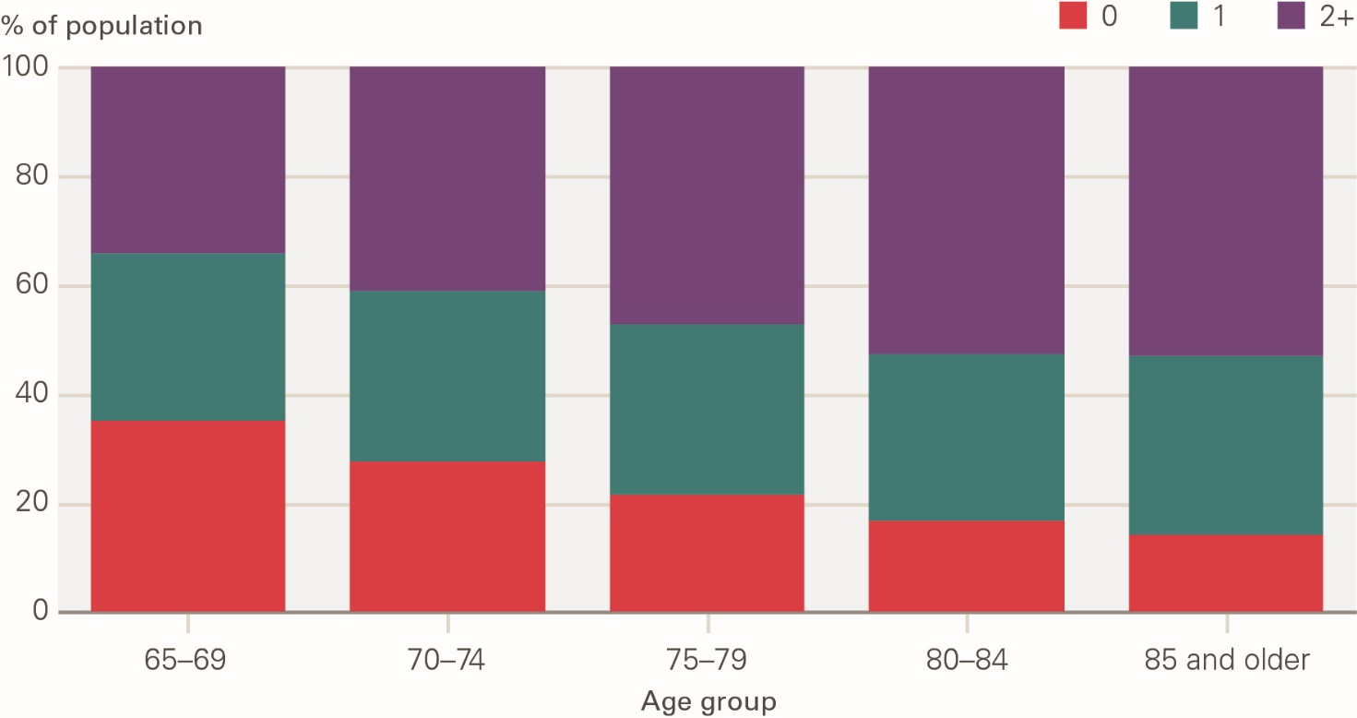

 | Source: ELSA 2018

 |  | 0 | 1 | 2+
 | 65-69 | 35.24% | 30.68% | 34.09%
 | 70-74 | 27.70% | 31.14% | 41.15%
 | 75-79 | 21.64% | 31.27% | 47.09%
 | 80-84 | 16.64% | 30.68% | 52.68%
 | 85-89 | 15.39% | 33.34% | 51.27%
 | 90+ | 12.21% | 32.28% | 55.51%

F3
Contents
 | Figure 3: The prevalence of diagnosed long-term conditions among people older than 65 by age group, 2015

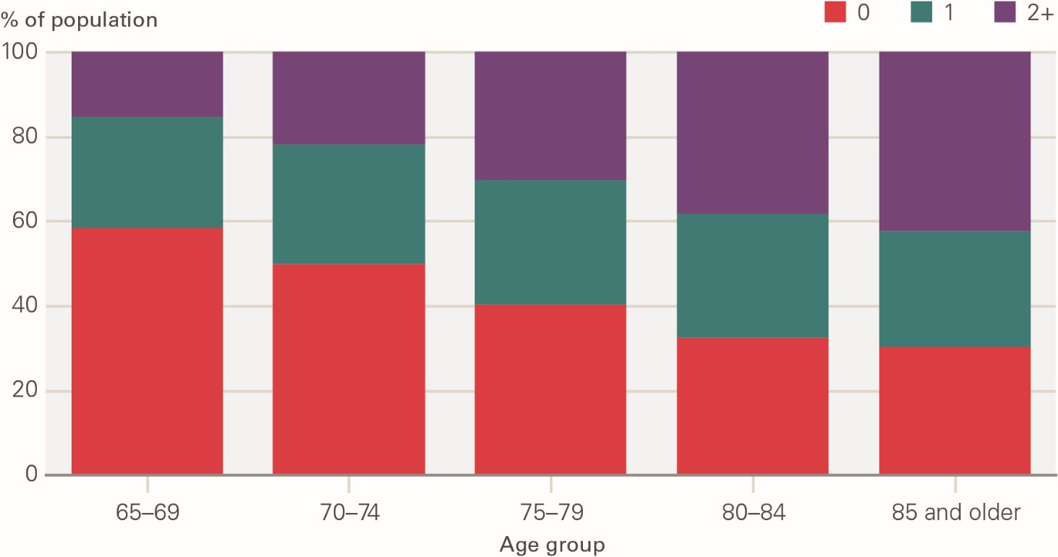

 | Source: CPRD 2015

 |  | 0 | 1 | 2+
 | 65-69 | 58.38% | 26.12% | 15.50%
 | 70-74 | 49.80% | 28.37% | 21.83%
 | 75-79 | 40.23% | 29.39% | 30.38%
 | 80-84 | 32.28% | 29.40% | 38.31%
 | 85-89 | 28.42% | 28.06% | 43.52%
 | 90+ | 33.30% | 26.20% | 40.50%

F4
Contents
 | Figure 4: The percentage of the older population with no ADL limitations (no social care need) by age group, 2006–2018

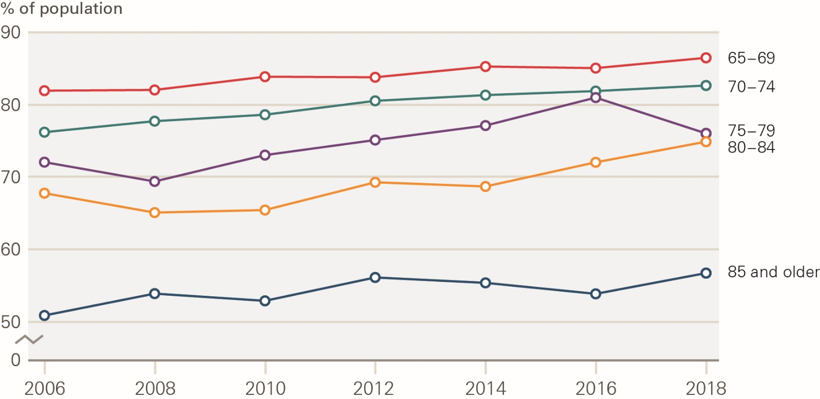

 | Source: ELSA 2006 - 2018

 |  | 2006 | 2008 | 2010 | 2012 | 2014 | 2016 | 2018
 | 65-69 | 81.82% | 81.92% | 83.76% | 83.68% | 85.17% | 84.95% | 86.38%
 | 70-74 | 76.10% | 77.62% | 78.51% | 80.43% | 81.22% | 81.78% | 82.55%
 | 75-79 | 71.98% | 69.33% | 72.95% | 75.02% | 77.01% | 80.85% | 75.93%
 | 80-84 | 67.70% | 65.01% | 65.36% | 69.21% | 68.63% | 71.98% | 74.84%
 | 85+ | 50.82% | 53.82% | 52.83% | 56.04% | 55.30% | 53.79% | 56.64%

F5
Contents
 | Figure 5: The percentage of the older population needing help with two or more ADL limitations (high social care need) by age group, 2006–2018

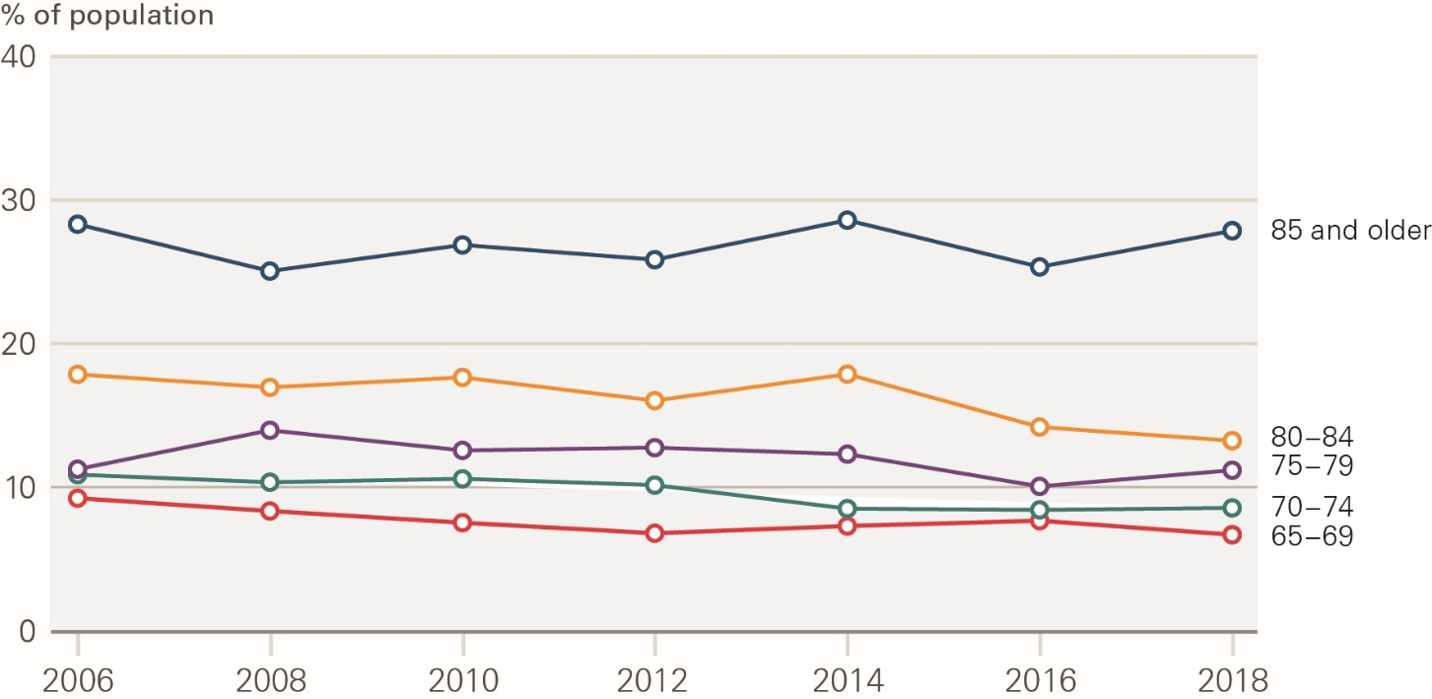

 | Source: ELSA 2006 - 2018

 |  | 2006 | 2008 | 2010 | 2012 | 2014 | 2016 | 2018
 | 65-69 | 9.21% | 8.32% | 7.51% | 6.78% | 7.28% | 7.65% | 6.68%
 | 70-74 | 10.85% | 10.32% | 10.56% | 10.12% | 8.48% | 8.39% | 8.53%
 | 75-79 | 11.21% | 13.90% | 12.51% | 12.70% | 12.25% | 10.02% | 11.14%
 | 80-84 | 17.79% | 16.90% | 17.58% | 15.99% | 17.80% | 14.18% | 13.24%
 | 85+ | 28.23% | 24.99% | 26.80% | 25.78% | 28.51% | 25.28% | 27.78%

F6
Contents
 | Figure 6: Percentage of the older population with no diagnosed long-term conditions by age group, 2006–2015

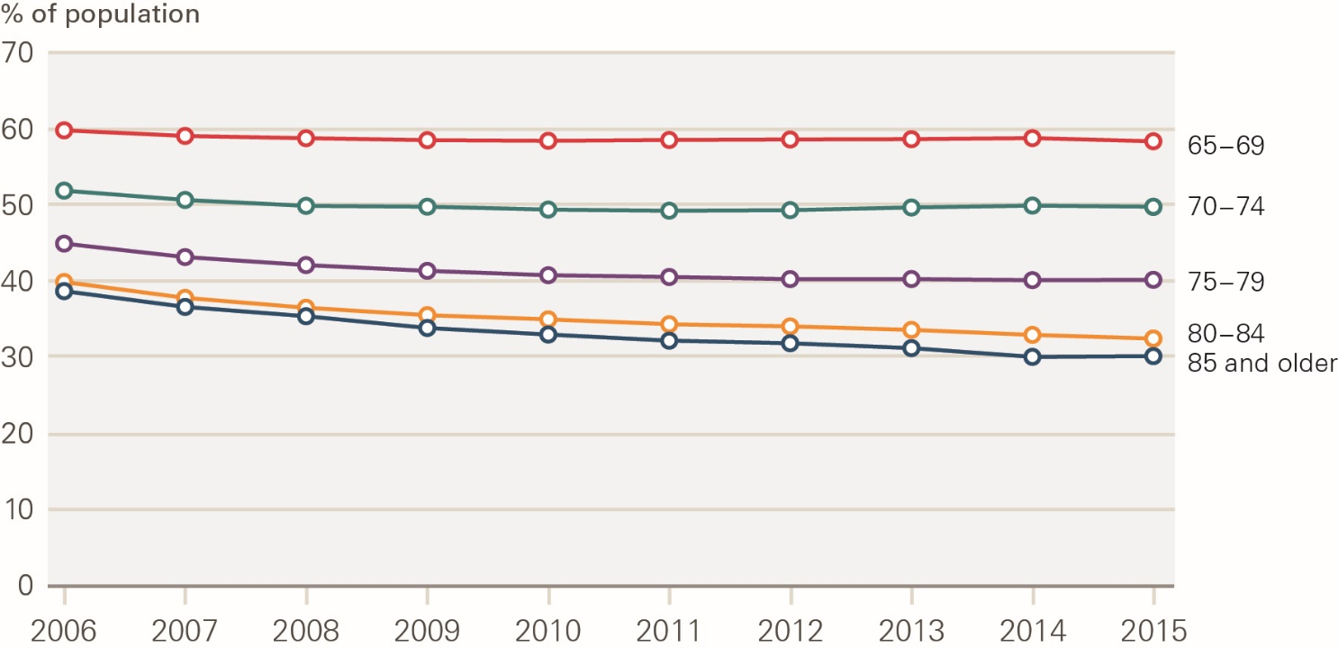

 | Source: CPRD 2006 -2015

 | Year | 65-69 | 70-74 | 75-79 | 80-84 | 85-89 | 90+
 | 2006 | 59.74% | 51.85% | 44.80% | 39.87% | 37.28% | 40.86%
 | 2007 | 59.04% | 50.66% | 43.10% | 37.74% | 34.98% | 39.27%
 | 2008 | 58.76% | 49.91% | 42.09% | 36.42% | 33.55% | 38.45%
 | 2009 | 58.52% | 49.80% | 41.36% | 35.42% | 32.40% | 36.34%
 | 2010 | 58.44% | 49.43% | 40.81% | 34.86% | 31.62% | 35.37%
 | 2011 | 58.54% | 49.29% | 40.59% | 34.21% | 31.01% | 34.26%
 | 2012 | 58.60% | 49.36% | 40.32% | 33.92% | 30.67% | 33.93%
 | 2013 | 58.64% | 49.70% | 40.33% | 33.45% | 29.94% | 33.49%
 | 2014 | 58.77% | 49.94% | 40.19% | 32.78% | 28.57% | 32.77%
 | 2015 | 58.38% | 49.80% | 40.23% | 32.28% | 28.42% | 33.30%

F7
Contents
 | Figure 7: Percentage of the older population with two or more diagnosed long-term conditions by age group, 2006–2015

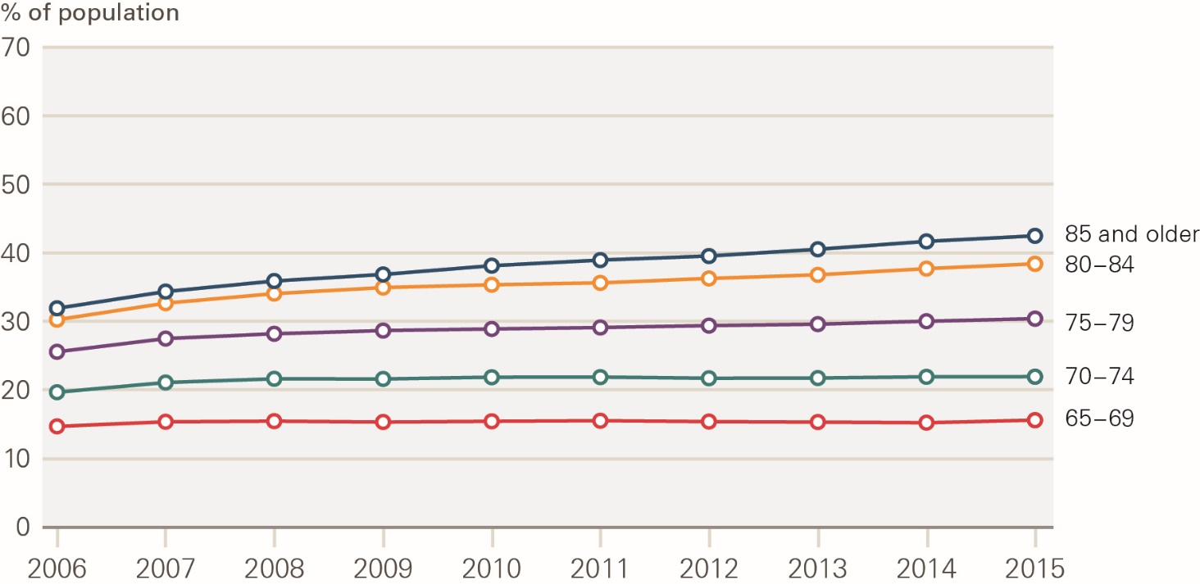

 | Source: CPRD 2006 -2015

 | Year | 65-69 | 70-74 | 75-79 | 80-84 | 85-89 | 90+
 | 2006 | 14.61% | 19.58% | 25.42% | 30.10% | 33.10% | 29.71%
 | 2007 | 15.27% | 20.98% | 27.40% | 32.53% | 35.52% | 32.19%
 | 2008 | 15.36% | 21.52% | 28.12% | 33.93% | 37.12% | 33.59%
 | 2009 | 15.24% | 21.50% | 28.60% | 34.82% | 37.83% | 34.98%
 | 2010 | 15.34% | 21.75% | 28.84% | 35.23% | 39.06% | 36.34%
 | 2011 | 15.42% | 21.77% | 29.06% | 35.51% | 39.74% | 37.38%
 | 2012 | 15.30% | 21.60% | 29.34% | 36.16% | 40.45% | 37.75%
 | 2013 | 15.23% | 21.63% | 29.56% | 36.69% | 41.51% | 38.63%
 | 2014 | 15.14% | 21.81% | 30.00% | 37.60% | 42.49% | 40.05%
 | 2015 | 15.50% | 21.83% | 30.38% | 38.31% | 43.52% | 40.50%

F8
Contents
 | Figure 8: Estimated population living without ADL limitations and long-term conditions, 2006–2018

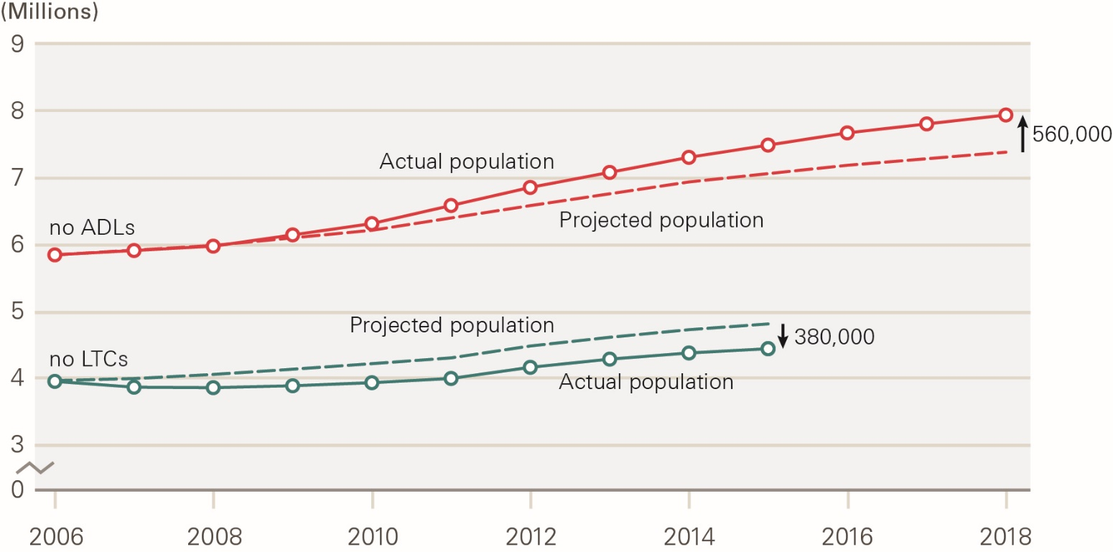

 | Source: ELSA and CPRD 2006 - 2018

 |  | 2006 | 2007 | 2008 | 2009 | 2010 | 2011 | 2012 | 2013 | 2014 | 2015 | 2016 | 2017 | 2018
 | Actual est. pop. 0 ADL | 5,826,182 | 5,891,313 | 5,956,444 | 6,125,935 | 6,295,426 | 6,566,928 | 6,838,431 | 7,064,371 | 7,290,312 | 7,473,854 | 7,657,395 | 7,791,620 | 7,925,845
 | Projected est 0 ADL | 5,826,182 | 5,896,745 | 5,967,308 | 6,081,263 | 6,195,219 | 6,380,363 | 6,565,507 | 6,743,164 | 6,920,821 | 7,045,928 | 7,171,036 | 7,269,606 | 7,368,177 | 557,668
 | Actual Est pop 0 LTC | 3,959,034 | 3,874,089 | 3,866,982 | 3,894,561 | 3,939,507 | 4,001,531 | 4,164,733 | 4,284,535 | 4,374,866 | 4,437,400
 | Projected pop - 0 LTC | 3,959,034 | 3,989,017 | 4,051,846 | 4,130,812 | 4,214,715 | 4,302,404 | 4,482,211 | 4,614,065 | 4,729,225 | 4,816,653

F9
Contents
 | Figure 9: Estimated population living with multiple ADL limitations and long-term conditions, 2006–2018

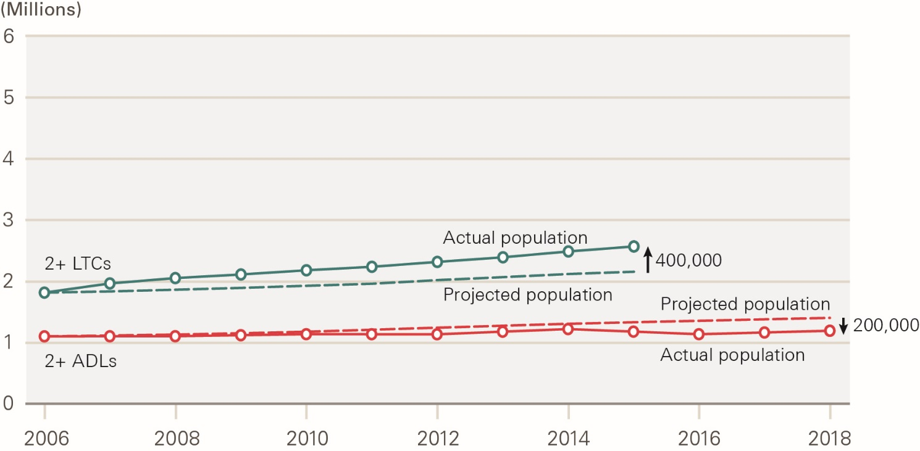

 | Source: ELSA and CPRD 2006 - 2018

 |  | 2006 | 2007 | 2008 | 2009 | 2010 | 2011 | 2012 | 2013 | 2014 | 2015 | 2016 | 2017 | 2018
 | Actual est. pop. 2+ ADL | 1,103,405 | 1,104,357 | 1,105,310 | 1,121,771 | 1,138,232 | 1,137,488 | 1,136,744 | 1,179,058 | 1,221,372 | 1,179,840 | 1,138,307 | 1,165,955 | 1,193,603
 | Projected est -2+ ADL | 1,103,405 | 1,117,132 | 1,130,859 | 1,153,824 | 1,176,790 | 1,209,383 | 1,241,976 | 1,273,485 | 1,304,995 | 1,329,050 | 1,353,104 | 1,376,374 | 1,399,643
 | Actual Est pop - 2+ LTC | 1,812,336 | 1,962,509 | 2,049,891 | 2,109,097 | 2,177,882 | 2,234,845 | 2,314,485 | 2,390,208 | 2,485,675 | 2,567,202
 | Projected pop - 2+ LTC | 1,812,336 | 1,832,331 | 1,859,574 | 1,889,694 | 1,924,040 | 1,957,460 | 2,016,991 | 2,065,525 | 2,116,993 | 2,154,318

F10
Contents
 | Figure 10: : Number of older people in residential settings in the UK by source of funding, 2007–2019

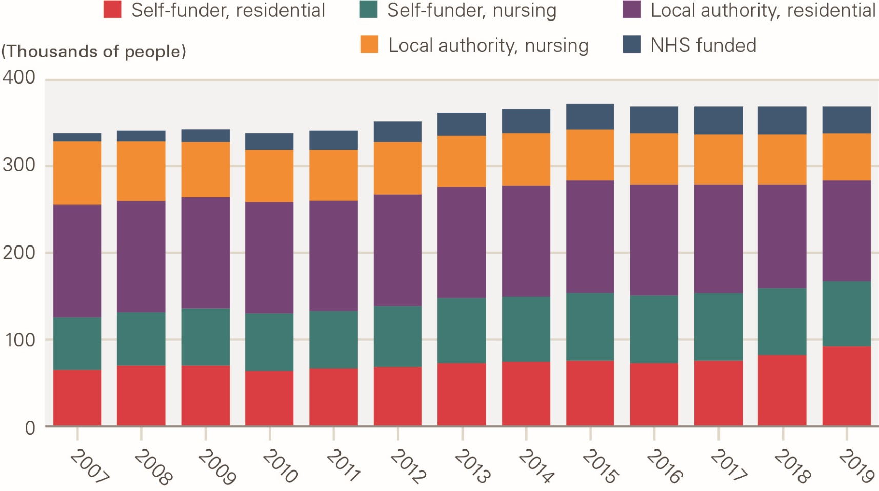

 | Source: Laing and Buisson, “Care Homes for Older People” 30th edition
 | Notes: | 1 Numbers of self-payers calculated by subtraction of other funding sources from total residents
 |  | 2 Numbers funded by local authorities calculated by extrapolation from England data as at 31 March, most recently published by NHS Digital: Adult Social Care Activity and Finance, England 2017-18, Reference Tables, Table T39: Number of clients accessing Long Term support at the end of the year, by support setting, age band and primary support reason, 2017/18
 |  | 3 Numbers funded by the NHS estimated from LaingBuisson surveys of care homes

 |  | Self-funder 1 - residential | Self-funder 1 - nursing | LA 2 - residential | LA 2 - nursing | NHS funded 3 | Total
 | 2007 | 65 | 60 | 130 | 73 | 9 | 337
 | 2008 | 69 | 63 | 127 | 69 | 12 | 340
 | 2009 | 70 | 66 | 128 | 63 | 15 | 341
 | 2010 | 64 | 66 | 128 | 61 | 18 | 338
 | 2011 | 66 | 67 | 126 | 60 | 22 | 340
 | 2012 | 68 | 70 | 129 | 60 | 24 | 350
 | 2013 | 73 | 75 | 127 | 59 | 27 | 361
 | 2014 | 74 | 75 | 128 | 60 | 28 | 365
 | 2015 | 75 | 79 | 129 | 59 | 30 | 371
 | 2016 | 72 | 79 | 127 | 59 | 32 | 369
 | 2017 | 75 | 78 | 125 | 58 | 32 | 367
 | 2018 | 82 | 77 | 120 | 57 | 33 | 369
 | 2019 | 91 | 76 | 116 | 55 | 30 | 368

F11
Contents
 | Figure 11: Percentage of the older population needing ADL support by long-term condition, 2018

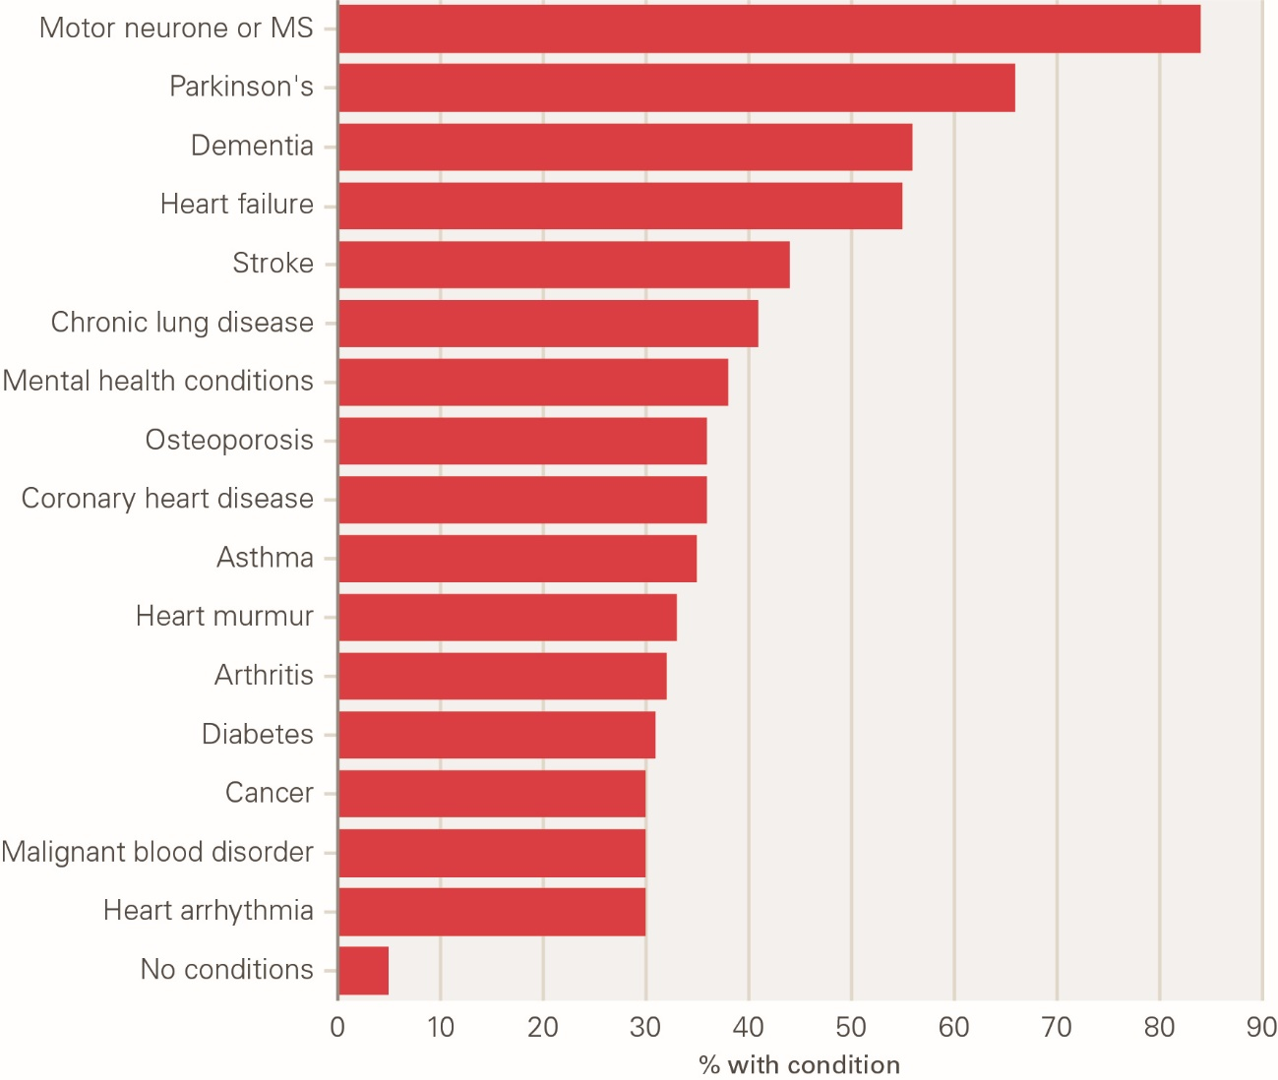

 | Source: ELSA, 2018

 | Condition | % needing help with ADLs
 | Motor Neurone or MS | 84%
 | Parkinson's | 66%
 | Dementia | 56%
 | Heart failure | 55%
 | Stroke | 44%
 | Chronic lung disease | 41%
 | Coronary Heart Disease | 36%
 | Mental health conditions | 38%
 | Osteoporosis | 36%
 | Asthma | 35%
 | Heart murmur | 33%
 | Arthritis | 32%
 | Diabetes | 31%
 | Heart arrhythmia | 30%
 | Malignant blood disorder | 30%
 | Cancer | 30%
 | No conditions | 5%

F12
Contents
 | Figure 12: The volume of paid and unpaid care by long-term condition, 2018

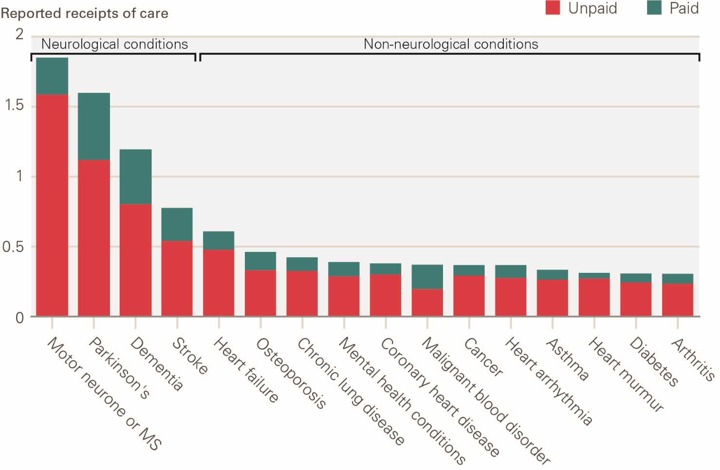

 | Source: ELSA, 2018

 | Long-term condition | Unpaid | Paid
 | Alzheimer's | 0.84130169749 | 0.47112895059
 | Motor Neurone or MS | 1.590006187 | 0.26500103117
 | Dementia_no Alz | 0.76241896088 | 0.43726969815
 | Parkinson's | 1.1230239786 | 0.47788254407
 | Dementia | 0.80381400907 | 0.39277275443
 | Stroke | 0.54198590716 | 0.23711883438
 | Heart failure | 0.47954903517 | 0.1307861005
 | Osteoporosis | 0.33375150716 | 0.12801427672
 | Angina | 0.31361756826 | 0.015298417964
 | Chronic lung disease | 0.32765059174 | 0.097515057065
 | Coronary Heart Disease | 0.30244150411 | 0.077653899705
 | Heart arrhythmia | 0.27657902555 | 0.091297930765
 | Mental health conditions | 0.28949713157 | 0.10007308252
 | Cancer | 0.29371382397 | 0.074868229639
 | Heart murmur | 0.27159881233 | 0.042437314426
 | Heart Disease | 0.27579011676 | 0.067344098279
 | Diabetes | 0.24506434023 | 0.064590601301
 | Asthma | 0.26568417766 | 0.070686616075
 | Arthritis | 0.23641103472 | 0.070750747617
 | Malignant blood disorder | 0.19781315146 | 0.17308650753
 | High blood pressure | 0.19194330775 | 0.065600877331
 | High cholesterol | 0.17146998382 | 0.039418387084

F13
Contents
 | Figure 13: Paid and unpaid care – neurological conditions compared with other conditions, 2018

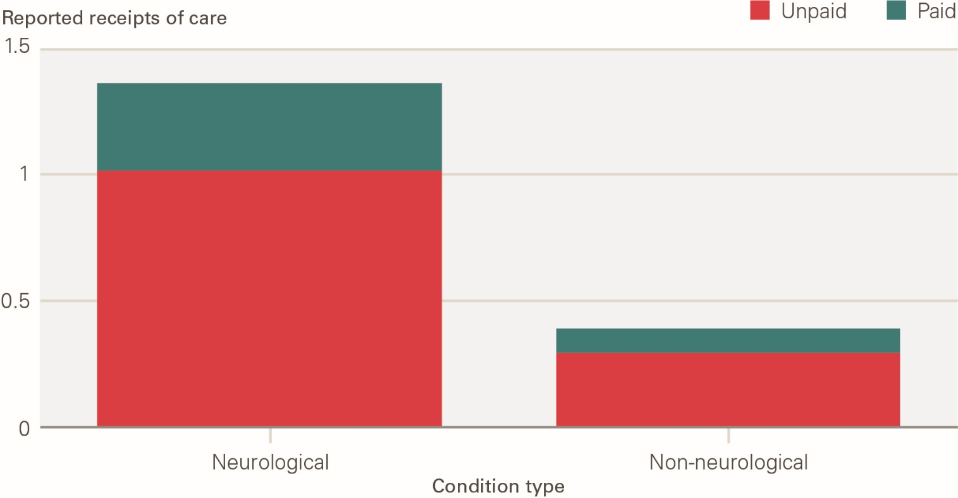

 | Source: ELSA, 2018

 | Condition Type | Unpaid | Paid
 | Cognitive (Dementia, Parkinsons, Multiple Sclerosis/Motor Neurone Disease, Stroke) | 1.0147075205 | 0.34319379101
 | Other conditions | 0.29331284464 | 0.093480030321

F14
Contents
 | Figure 14: Total and average local authority social care spend and number of people, by long-term condition (2015–2021)

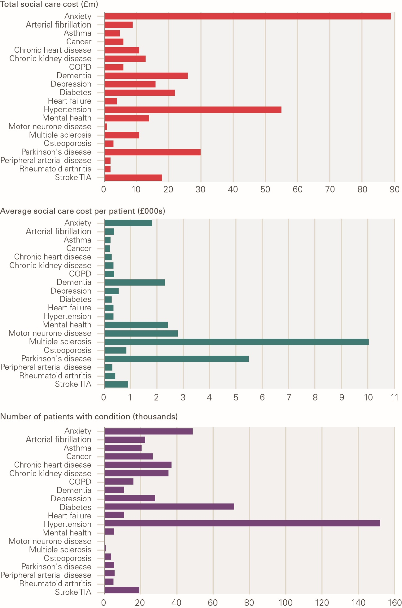

 | Source: Health Economics Unit (HEU), 2015-2021
 | Notes:
 | Long-term Condition | Total SC cost (£millions) | Average SX cost per patient (£) | Number of patients with condition
 | Anxiety | 89 | 1819 | 48967
 | Atrial fibrillation | 9 | 379 | 22754
 | Asthma | 5 | 259 | 20884
 | Cancer | 6 | 221 | 26908
 | Chronic heart disease | 11 | 294 | 37091
 | CKD | 13 | 367 | 35684
 | COPD | 6 | 385 | 16343
 | Dementia | 26 | 2322 | 10997
 | Depression | 16 | 560 | 28187
 | Diabetes | 22 | 307 | 71856
 | Heart failure | 4 | 353 | 11101
 | Hypertension | 55 | 363 | 152095
 | Mental health | 14 | 2420 | 5583
 | Motor neuron disease | 1 | 2813 | 292
 | Multiple sclerosis | 11 | 10044 | 1060
 | Osteoporosis | 3 | 844 | 4145
 | Parkinsons disease | 30 | 5496 | 5539
 | Peripheral arterial disease | 2 | 323 | 5899
 | Rheumatoid arthritis | 2 | 432 | 5261
 | Stroke TIA | 18 | 908 | 19575

